Front
Michigan Technological University
2023-24 Factbook
Office of Institutional Research
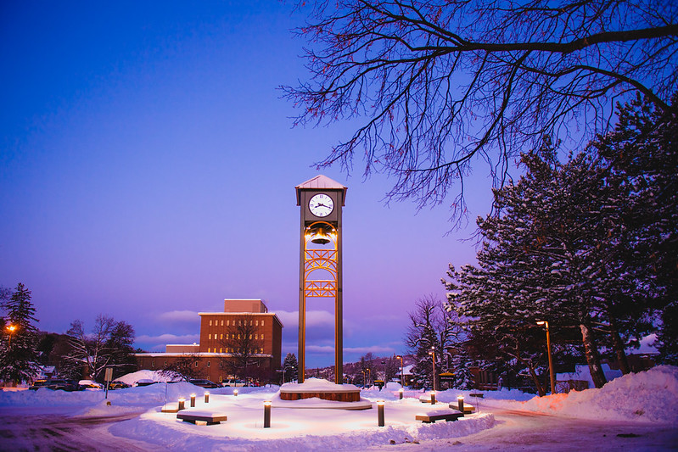

Michigan Technological University
1400 Townsend Drive
Houghton, MI, 49931-1295
University President: Dr. Richard J. Koubek
Academic Calendar: Semester System
Campus Size: 925 acres
Ford Center (Alberta, MI): 4,579 acres
Website: http://www.mtu.edu
Phone: 906-487-1885
Fax: 906-487-2338

Notice
The Office of Institutional Research (IR) is dedicated to providing clear and accurate statistical information to our clients in a timely fashion. To this end, we are pleased to present this Michigan Technological University Fact Book.
The intent of the Michigan Technological University Fact Book is to provide a quick reference for information, generally statistical, about the University. We have made every effort to include information that may be relevant to your needs, but realize that your needs may be significantly different. For this reason, we invite you to make comments and/or suggestions for future editions of the Fact Book to the address below. Your help is greatly appreciated.

^{Prepared} ^{by:}

^{Rich Elenich}
Executive Director of Institutional ^{Research}
^{Lydia Derks}
^{Student Research Assistant}



Copyright 2023
Office of Institutional Research
Michigan Technological University
Phone: 906-487-2763
Fax: 906-487-3328
Email: ir@mtu.edu
View our data online:
http://www.mtu.edu/institutional-research/
Michigan Technological University is an Equal Opportunity Educational Institution/Equal Opportunity Employer, which includes providing equal opportunity for protected veterans and individuals with disabilities.

